How new TS
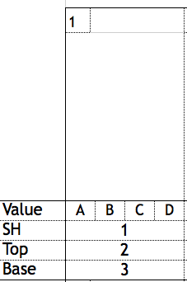
Instruction how to use
Pairs Balance
• Box 1: Identification (ID/#) of the Static Holds (Top)
•Value in A
• Box 2: Identification (ID/#) of Mounts(static included) & Motions Top
•Value in B
• Box 3: Identification (ID/#) of the Static & Motions Base
•Value in C
• D: Top + 1 value for legs together
•Value in D
Pairs Dynamic
• Box 1: not used
• Box 2: Identification (ID/#) of the Elements
•Value in B
• Box 3: not used
• D : value of Links ( no coördinates!)
Groups Balance
• Box 1: Identification (ID/#) of the Static Holds (Top)
•Value in A
• Box 2: Identification (ID/#) of Mounts & Motions Top
•Value in B
• Box 3: Identification (ID/#) of the Basic Pyramids & Transitions
•Value in C
individual
• D: Top + 1 value for legs together
•Value in D

Groups Dynamic
• Box 1: not used
• Box 2: Identification (ID/#) of the Elements
•Value in B
• Box 3: not used
• D : value of Links ( no coördinates!)
Individual Elements
•1: coördinates of the individual elements
•flexibility / balance / agility : only ID/# number
•tumbling: only page
 |  | A = PARTNER 1
 |  | B = PARTNER 2
 |  | C = PARTNER 3
 |  | D = PARTNER 4

! | PLEASE use open (new)box for motions/transitions

